Read Me First
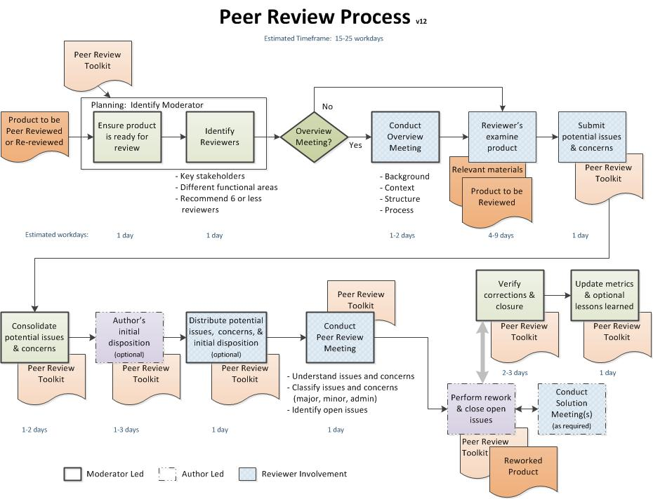
Read Me First

Peer Review/Inspection Introduction:
Objective: To identify and remove issues and concerns in work products as early as possible in the development process.
Why: Improve quality of work products, reduce costs, and improve team efficiency and knowledge. Required by NPR 7123.1A, LPR 7120.6, and NPR7150.2A for software classes A, B, & C.
What products:
Any hardware or software work product such as:
* Requirements
* Test Plans
* Development or Management Plans
* Configuration Management Plans
* Maintenance Plans
* Software Assurance Plans
* Safety Plans
* Any design or code as identified in software and or project plans
(*mandated by NPR7150.2A, SWE-087 and SWE-137)
How: A peer review is led by a moderator who is responsible for completing the instructions and performing related tasks. The moderator should be someone other than the author of the product being examined. The worksheet TABs in this toolkit contain peer review Instructions, a worksheet for documenting the Issues and Concerns and tracking them to closure, Definitions, a set of product specific checklists, and Lessons Learned.
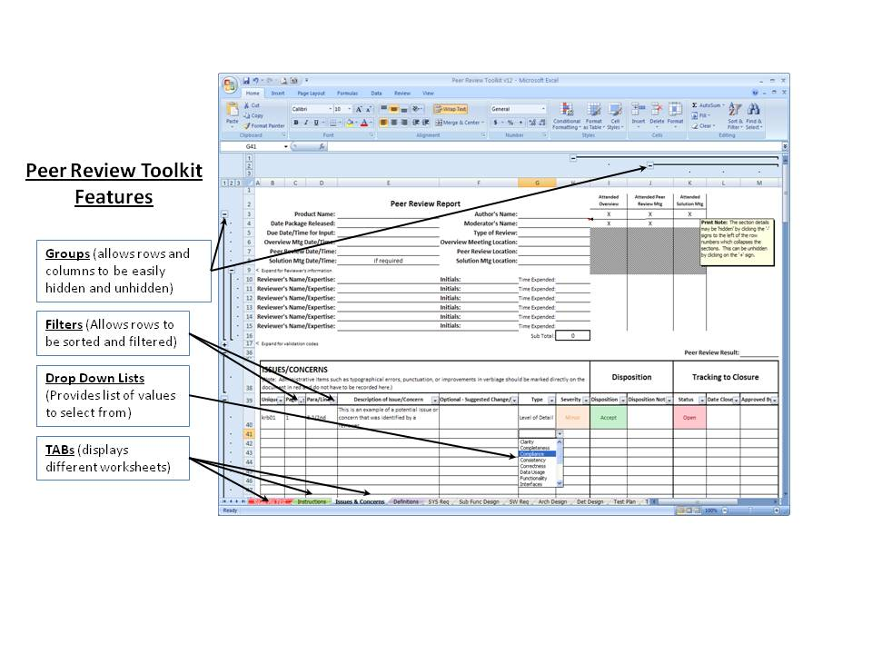

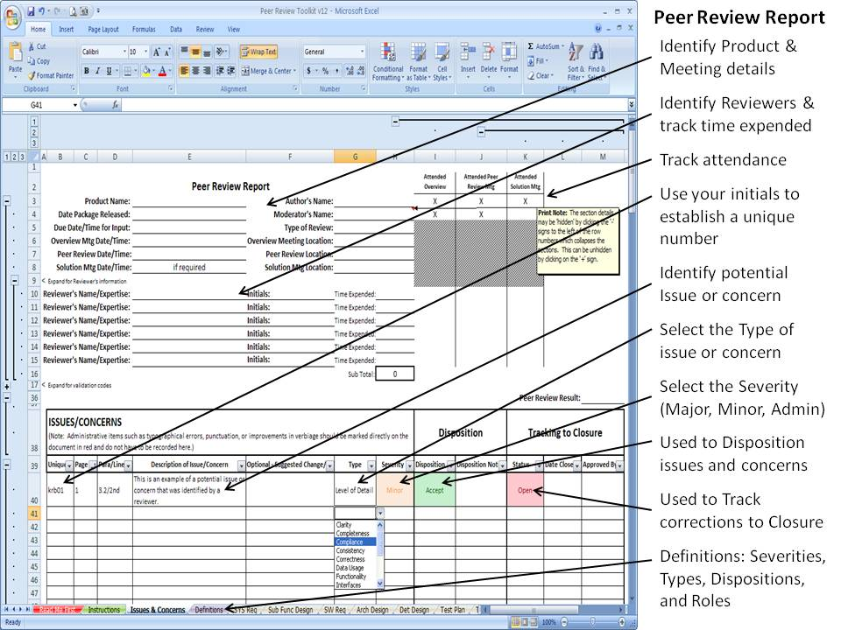

Peer Review Toolkit Tabs:
Read Me First (Red TAB): This worksheet that provides basic information, process chart, and functionality
Instructions (Green TAB): Provides the instructions for conducting a peer review
Issues & Concerns (Blue TAB): Provides area to document identified issues and concerns, assign action items and track issues to resolution, and document metrics.
Definitions (Purple TAB): Defines the severity, types, disposition terms, and roles of participants.
Checklists (Gray TABs): Provides product specific detailed checklists that are referenced by the reviewers during their examination of the product -- only 1 checklist is used for each product review.
Lessons Learned (light blude TAB): Identifies requested changes and improvements.

Instructions
 | Peer Review/Inspections Instructions

Step | Instructions: | X | Time Req. (hours) | Notes
 | (Note: Instructions were derived from Pat Schuler's Peer Review/Inspection Procedure.)
1 | Identify/Assign a moderator. Note: the moderator could be someone from the quality assurance organization.
2 | Provide moderator an electronic copy of the Peer Review toolkit
A. | Planning: Performed by Moderator (Estimated Time: 1-3 hours)
A.1 | Identify the product to be peer reviewed and obtain an electronic copy.
A.2 | Determine if the product is ready to be peer reviewed using the following general entrance criteria: - Does the product conform to project standards? - Is the product coherent and free of spelling and grammar problems? - Is the product understandable by the persons that will be involved? - Have all unknowns been marked as TBD with an assignee and due date? - Have all materials relevant to the review been provided (e.g., bidirectional trace matrix, higher level requirements, or design)? - Is the product mature enough for review? - If the product is code: - Has it been successfully compiled without errors? - Does it conform to the coding standards/conventions? - Is the code accompanied by a complete Data Dictionary? - Other? Please describe criteria used:
A.3 | If the product is not ready to be peer reviewed, work with the author to address the concerns.
A.4 | Determine the completion criteria for the peer review: The following are the minimum completion criteria that must be verified to complete the peer review: - All open issues/action items have been resolved (including change requests, problem reports, and waivers), - All major issues and concerns have been corrected and no new defects have been inserted by any changes, - Appropriate entrance criteria have been met for the updated product, - Product-specific completion criteria for the peer review/inspection are met. Please describe criteria to be used. For example: - each requirement has been assigned a priority, - each requirement has a rationale, - all design off-page connectors connect to the appropriate design element (e.g., there are no widow or orphan off-page connectors), - the code has been successfully compiled without errors.
A.5 | Make an electronic copy of the Peer Review Toolkit specific to the Peer Review you have been assigned. This can be done by adding the product name and date to the file name (example: Peer Review - Test Plan - May2010). Document the author's name, moderator's name, product name, and type of peer review on the TAB: Issues & Concerns.
A.6 | Examine the checklists in the Peer Review Toolkit (gray TABs) and identify the appropriate product checklist for this peer review. The other checklists may be deleted or hidden from the toolkit by right-clicking on the TAB and selecting Delete or Hide from the menu. The Basic checklist is designed for general products that do not meet the specifics of the other checklists.
A.7 | Identify reviewers (recommend 6 or less) that will be required to participate and document their names, initals, and areas of expertise at the top of the TAB: Issues & Concerns. Reviewers are ideally peers of the author representing different functional areas or lifecyle phases that are affected by the material being reviewed, and therefore have a vested interest in the product. The moderator should be one of the reviewers.
A.8 | Determine if the size of the product is within the prescribed guidelines for the type of peer review (see the “Meeting Rate Guidelines” in the cell Comment) for the optimal number of pages or lines of code to review for each type of peer review. If the product exceeds the prescribed guidelines, break the product into parts and review each part separately. It is highly recommended that the peer review meeting not exceed 2 hours so the product should be broken down into parts that can be covered in that amount of time. Enter the Size Of Product Reviewed (e.g., pages, non-comment lines of code) at the bottom of the TAB: Issues & Concerns.
A.9 | Determine whether an overview of the product is needed. (i.e., Determine whether there should be a meeting where the author describes the product's background, structure, and or content to the reviewers prior to their review.) The overview meeting can also be used to familiarize the reviewers with the review process and key dates.
Text Box 1 - Sample email announcement (as a minimum replace the text in square brackets with the appropriate information)
Subject: Peer Review - [Product Name] - Comments Due: [date]
The attached [Product Name] has been scheduled for Peer Review. We require your active participation to help identify any potential issues or concerns. Use the attached Excel Peer Review Toolkit to document your issues and or concerns in the TAB: Issues & Concerns. During your examination of the product, please take into consideration the product checklist identified in TAB: [Checklist tab name] and read the TAB: Instructions, Section C: Reviewer's Examination.
Please email back to me the Peer Review Toolkit with your specific issues and concerns documented in the TAB: Issues & Concerns by: [date].
The following are key dates and times in relation to this peer review:
- Overview (brief description by the author): [date] / [time] / [location]
- Due date/time to send issues & concerns back to me: [date] / [time]
- Peer Review Meeting (to discuss the submitted issues & concerns): [date] / [time] / [location]
As a Reviewer, please keep the following very important factors in mind:
- Do not evaluate the author, keep your focus on the product material
- Avoid judgmental and subjective language
- Be as specific as possible in describing the issue or concern
- You do not need to solve the issue or concern, but may be asked for suggestions
- Stick to the technical issues, avoid discussions about style
- Be prepared -- DO NOT come to the Peer Review Meeting without properly preparing and submitting your issues and concerns beforehand to me
Thank you for your participation.
[name/signature block]
Attachments:
1. [Product Name]
2. Peer Review Toolkit
3. [Materials relevant to the review]
A.10 | Identify on the TAB: Issues & Concerns the date, time, and locations for the following Peer Review activities: - Overview meeting/presentation (if one is needed), - Date Package Released (product & toolkit to reviewers via email), - Due Date/Time for Input of reviewer's initial issues & concerns (via email (toolkit)), - Peer Review Meeting.
A.11 | Prepare an email to announce and distribute the Peer Review Package. A sample email text is located in the Text Box 1 to the right. Record the total Time Spent In Planning on the bottom of the TAB: Issues & Concerns. Before sending the email, be sure to include the author and attach the product to be reviewed, materials relevant to the review, and the Peer Review Toolkit to the email.
B. | Overview Meeting: Facilitated by Moderator; performed by Author (Estimated Time: 0.5-1 hour meeting)
B.1 | If required, conduct the overview meeting where the author describes the product and gives any needed background, context, or structural overview. The reviewers should be free to ask any general questions, but be careful that the discussion doesn't become too detailed or technical.
B.2 | During this meeting, the moderator may describe the peer review process to ensure that all participants are familiar with the process and understand their responsibilities. Some example slides are under "Sample Peer Review Overview Meeting Slides" at URL: http://sw-eng.larc.nasa.gov/process/docslistnew.cfm
B.3 | Moderator records reviewers that Attended Overview (at the top) and the total collective time spent by the participants in the Overview Meeting (at the bottom) of the TAB: Issues & Concerns. The reviewers should be instructed to record any significant concerns with the product on that TAB.
C. | Reviewer's Examination: Performed by Reviewers including the Moderator (Estimated Time: 2-8 hrs each)
C.1 | Familiarize yourself with the peer review specific product checklist (gray TAB) and definitions (purple TAB). Note that the checklist is a general listing of areas to consider for this type of product and that every checklist item may not apply.
C.2 | Examine the product based on understanding and the specific product checklist.
C.3 | Identify and document any potential issues or concerns (areas that may be unclear, appear to be incorrect, etc.) using the TAB: Issues & Concerns. For each identified issue or concern, select from the pulldown menus the associated Type and Severity and record the Page number and Paragraph/Line. When identifying issues or concerns, keep each one separate and distinct. If issues or concerns are grouped together into one large comment, then important features may be hidden or missed during the disposition and resolution. Optional: Suggested Changes/Fixes are not normally submitted; however, a column for them has been provided in case the reviewer feels strongly about offering a specific fix.
C.4 | Administrative items such as typographical errors, punctuation, or improvements in verbiage should be marked directly on the document in red and do not have to be recorded in the TAB: Issues & Concerns. Provide the administrative redlines (hardcopy or electronic revisions) to the author after the Peer Review meeting is over.
C.5 | Be sure to record time expended on the top of TAB: Issues & Concerns. Return the Peer Review Toolkit with the filled out TAB: Issues & Concerns to the Moderator by the due date.
D. | Meeting Preparation & Initial Disposition: Preparation performed by the Moderator (Estimated Time: 1-2 hours) Initial Disposition (D.5) performed by the Author (Estimated Time: varies)
D.1 | Verify that all peer reviews have returned their completed Issues & Concerns worksheet.
D.2 | Consolidate the identified Issues & Concerns into one toolkit by copying and pasting the completed rows into a central Peer Review Toolkit. Ensure that each row has a Unique # identifier by using the reviewer's initials. Record the Time Expended by each reviewer examining the product on the line associated with their name.
D.3 | The Excel filters on each column can be used to sort or filter the data. For example, the filter on the Page # column can be used to sort all of the submitted issues and concerns by smallest to largest.
D.4 | Review the kinds of issues and concerns that were identified to determine if there are particular sections of the product that may need more concentration during the meeting than others (trouble areas). Provide a consolidated list of the received Issues & Concerns to the author to perform an initial disposition.
D.5 | The author will use TAB: Issues & Concerns, columns I & J to document each initial Disposition (i.e., does the author understand and 'Accept' the issue & concern, 'Reject' it, etc.) and any related Disposition Notes that are related to the disposition decisions. Record the time spent doing Initial Dispositions at the bottom of the TAB. (This step is not required for NPR7150.2A compliance.)
D.6 | Highly recommend sending the consolidated list of Issues & Concerns along with the author's disposition to all of the reviewers at least 24 hours before the peer review meeting. This will allow the meeting to focus on the areas of uncertainty or questions rather than every identified issue and concern. (This step is not required for NPR7150.2A compliance.)
D.7 | Identify who will act as a Reader during the meeting. The Reader will guide the team through the product during the meeting by reading or paraphrasing the product sections. The Reader should be one of the Reviewers.
D.8 | Identify who will act as a Recorder during the meeting. The Recorder uses the Peer Review toolkit to make sure that each issue and concern is accurately documented along with the corresponding disposition. The Recorder is one of the Reviewers. It is recommended that the Moderator not be the Recorder; and the Recorder and Reader should not be the same person.
D.9 | Talk with the Reader and Recorder before the meeting to prepare them for their assigned roles. Before the meeting, the Reader and Recorder should read the Roles of Participants on the TAB: Definitions.
D.10 | Determine how the product will be viewed during the meeting (electronically or hardcopy) and make appropriate arrangements (electronically >> computer projection support or hardcopy >> appropriate number of copies). Record the time spent in meeting preparation on the bottom of TAB: Issues & Concerns.
E. | Conduct Peer Review Meeting: Performed by all (Estimated Time: 1-2 hour meeting)
E.1 | Introduce everyone (to include roles - author, moderator, reviewers, reader, recorder).
E.2 | Reader presents the product being peer reviewed.
E.3 | Reviewers identify potential issues and concerns that they discovered during their individual examination of the product and any new issues discovered in the meeting. The TAB: Issues & Concerns and the author's disposition columns can be used to focus the meeting.
E.4 | Recorder ensures that each issue and concern is clearly documented and understood.
E.5 | For each issue or concern under discussion, obtain concurrence from the peer review team concerning the item's meaning (description), Type, Severity ('Major', 'Minor', or 'Administrative'), and Disposition. If the team doesn't accept the issue or concern, then the item's Severity is 'Removed' and the Disposition is 'Withdrawn' or 'Reject'. If there are irresolvable differences about the item, then the item's Severity is 'Open Issue' and a 'Solution Meeting' or 'Action Item' must be identified as the Disposition for each 'Open Issue' and assigned to the appropriate persons using the Disposition Notes column. If the issue or concern is a duplicate of another issue, the Disposition is 'Duplicate' and the Severity is 'Removed'. All Major Issues must be addressed/fixed by the author. Use the Notes column to record any change requests, problem reports, or waivers that are needed to resolve an action item.
E.6 | Determine if the product needs to be re-reviewed and record this decision as the Peer Review Results ('Passed', 'Re-review') at the top of the TAB: Issues & Concerns. Record the reviewers that Attended Peer Review Meeting (at the top) and record the total collective time spent in the Peer Review Meeting (on the bottom of the TAB). If the reviewers have administrative redlines (hardcopy or electronic revisions), provide them to the author after the meeting is over.
F. | Rework: Performed by author (Estimated Time: 5-20 hours)
F.1 | Fix/address all Major issues, change the Status to 'Closed', 'No Action Required', or 'Deferred' and insert the Date Closed on the TAB: Issues & Concerns, columns K & L. In the Disposition Notes column, record the reason for deferral or the locations of the corrections if the corrections involve sections of the product different from the Page # and Para/Line identified for the Issue or Concern.
F.2 | Fix/address all open issues, change the Status to 'Closed', 'No Action Required', or 'Deferred' and insert the Date Closed on the TAB: Issues & Concerns. Record the resolution or reason for deferral in the Disposition Notes column. Update the Severity and/or Disposition columns as required based on the resolution. Record the reviewers that Attended Solution Meetings (at the top of the TAB) and the total collective time spent in Solution Meetings (at the bottom of the TAB).
F.3 | Minor and administrative issues (which would not result in faulty execution) are resolved at the discretion of the Author as time and cost permit: update the Status and Date Closed columns as applicable. Record the locations of the corrections in the Disposition Notes column if the corrections involve other sections.
F.4 | Record the amount of time spent in Rework at the bottom of the TAB: Issues & Concerns.
G. | Verify Corrective Actions and Closure: Performed by Moderator or Designated Reviewer (Estimated Time: 1-3 hour)
G.1 | The Peer Review process should ideally be completed within 4-6 weeks. If not, then periodically check the resolution of the issues, concerns, and action items and report a summary of the status to the author and project. (This step is not required for NPR7150.2A compliance.)
G.2 | Ensure the completion criteria for the peer review (as defined in step A.4) are satisfied. For each verified issue and concern, record the approver's initials in the Approved By column of the TAB: Issues & Concerns. Record total time spent in verifying corrective actions and closure.
G.3 | Distribute the toolkit and the updated product to the Reviewers. (This step is not required for NPR7150.2A compliance.)
G.4 | Store the Peer Review Report (i.e., the completed TAB: Issues & Concerns) in the project files and, as a minimum, version control the updated product.
G.5 | Return back to “Planning” above if the product needs to be Re-reviewed.
H. | Support Processes:
H.1 | Metrics Tracking (Performed by Moderator): The Moderator ensures that metrics were updated throughout the process, as described above. The TAB: Issues & Concerns, also contains several summary charts that track the metrics by type, severity, disposition, and status. These charts can be copied and pasted into PowerPoint presentations for summary and meeting purposes. Summaries of issues should be associated with products and never with individuals.
H.2 | Lessons Learned (Performed by All): Report any lessons learned from implementing these instructions or using the toolkit to: Keith Boadway, keith.r.boadway@nasa.gov (This step is not required for NPR7150.2A compliance.)

Issues & Concerns
 | Peer Review Report |  |  |  |  |  |  | Attended Overview | Attended Peer Review Mtg | Attended Solution Mtg
 |  |  | Product Name: |  | Author's Name: |  |  | X | X | X
 |  |  | Date Package Released: |  | Moderator's Name: |  |  | X | X
 |  |  | Due Date/Time for Input: |  | Type of Review:
 |  |  | Overview Mtg Date/Time: |  | Overview Meeting Location:
 |  |  | Peer Review Date/Time: |  | Peer Review Location:
 |  |  | Solution Mtg Date/Time: | if required | Solution Mtg Location:
< | Expand for Reviewer's information
 |  |  | Reviewer's Name/Expertise: |  | Initials: | Time Expended:
 |  |  | Reviewer's Name/Expertise: |  | Initials: | Time Expended:
 |  |  | Reviewer's Name/Expertise: |  | Initials: | Time Expended:
 |  |  | Reviewer's Name/Expertise: |  | Initials: | Time Expended:
 |  |  | Reviewer's Name/Expertise: |  | Initials: | Time Expended:
 |  |  | Reviewer's Name/Expertise: |  | Initials: | Time Expended:
 |  |  |  |  |  | Sub Total: | 0
< | Expand for validation codes
 |  |  |  |  |  |  |  |  |  |  | Peer Review Result:

 | ISSUES/CONCERNS (Note: Administrative items such as typographical errors, punctuation, or improvements in verbiage should be marked directly on the document in red and do not have to be recorded here.) |  |  |  |  |  |  | Disposition |  | Tracking to Closure
 | Unique # | Page # | Para/Line | Description of Issue/Concern | Optional - Suggested Change/Fix | Type | Severity | Disposition | Disposition Notes | Status | Date Closed | Approved By
 | krb01 | 1 | 3.2/2nd | This is an example of a potential issue or concern that was identified by a reviewer. |  | Level of Detail | Minor | Accept |  | Open

 |  |  |  |  | Summary Metrics:
 |  |  |  |  | Time Involved (hours): |  |  | By Disposition: |  |  | By Status:
 |  |  |  |  | • Total Time Spent Planning (moderator) |  |  | Accept | 1 |  | Open | 1
 |  |  |  |  | • Overview Meeting (# Persons x Time) |  |  | Accept w/ Mod | 0 |  | Closed | 0
 |  |  |  |  | • Reviewer's Examination | 0 |  | Duplicate | 0 |  | Deferred | 0
 |  |  |  |  | • Meeting Preparation (moderator) |  |  | Reject | 0 |  | No Action Required | 0
 |  |  |  |  | • Initial Disposition (author) |  |  | Withdrawn | 0 |  | SubTotal: | 1
 |  |  |  |  | • Peer Review Meeting (# Persons x Time) |  |  | Solution Meeting | 0
 |  |  |  |  | • Rework (author) |  |  | Action Item | 0
 |  |  |  |  | • Solution Meetings (# Persons x Time) |  |  | SubTotal: | 1
 |  |  |  |  | • Verify Corrective Actions and Closure (moderator)
 |  |  |  |  | Total Time: | 0
 |  |  |  |  | Issues & Concerns
 |  |  |  |  | Size of Product Reviewed (pages, etc.) |  |  |  | Total Issues & Concerns MINUS Duplicates, Rejects, Withdrawns
 |  |  |  |  | Total Identified Issues & Concerns: | 1 |  |  | 1
 |  |  |  |  | By Type:
 |  |  |  |  | Clarity | 0
 |  |  |  |  | Completeness | 0
 |  |  |  |  | Compliance | 0
 |  |  |  |  | Consistency | 0
 |  |  |  |  | Correctness | 0
 |  |  |  |  | Data Usage | 0
 |  |  |  |  | Functionality | 0
 |  |  |  |  | Interfaces | 0
 |  |  |  |  | Level of Detail | 1
 |  |  |  |  | Maintainability | 0
 |  |  |  |  | Performance | 0
 |  |  |  |  | Reliability | 0
 |  |  |  |  | Testability | 0
 |  |  |  |  | Traceability | 0
 |  |  |  |  | Other | 0
 |  |  |  |  | Total Identified Types: | 1
 |  |  |  |  | By Severity:
 |  |  |  |  | Major | 0
 |  |  |  |  | Minor | 1
 |  |  |  |  | Administrative | 0
 |  |  |  |  | Open Issue | 0
 |  |  |  |  | Removed | 0
 |  |  |  |  | Total Identified Severities: | 1

 |  |  |  | Graph Helps:
 |  |  | 1. You can create a different chart type by selecting a data range from the summary metrics and then choose the 'Insert' ribbon and then select the chart type desired..
 |  |  | 2. Within these charts you can make the not used labels (i.e., values of 0) disappear from the chart by 'hiding' the row containing the metrics information from above. (Right click on the row number containing the data and select 'Hide')
Issues & Concerns By Type
Disposition of Issues & Concerns

Issues & Concerns By Severity
Status of Issues & Concerns

